T_00_01
 | Triennial Central Bank Survey

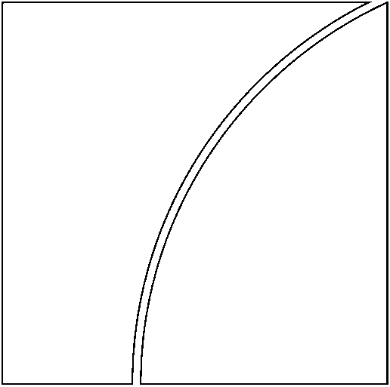 | Global foreign exchange market turnover in 2019

 | Monetary and Economic Department

 | Tables revised on 8 December 2019

